XOR
THE XOR FUNCTION(Only in Excel 2013)
What is the XOR Function?
The XOR Function was introduced in Excel 2013 and is available under the Logical function.
It is a logical exclusive OR function. For a given two logical statement, the XOR function would return TRUE
if one of the statements is true and FALSE if both statements are true.
If neither of the statements is true, it also returns FALSE.

Syntax | XOR(logical1,logical2) |  |  | XOR Stands for Xclusive-OR

 | XOR Function

 | TRUE
 | FALSE
 | TRUE

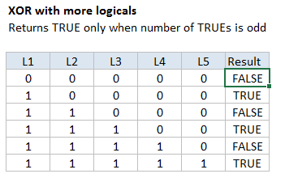
 | XOR Function

 | Team | Game 1 | Game 2 | Should it play Game 3
 | A | Won | Won | No
 | B | Lost | Won | Yes
 | C | Lost | Lost | No
 | D | Won | Lost | Yes
 | E | Lost | Won | Yes
 | F | Won | Lost | Yes

